Accumalator grpah
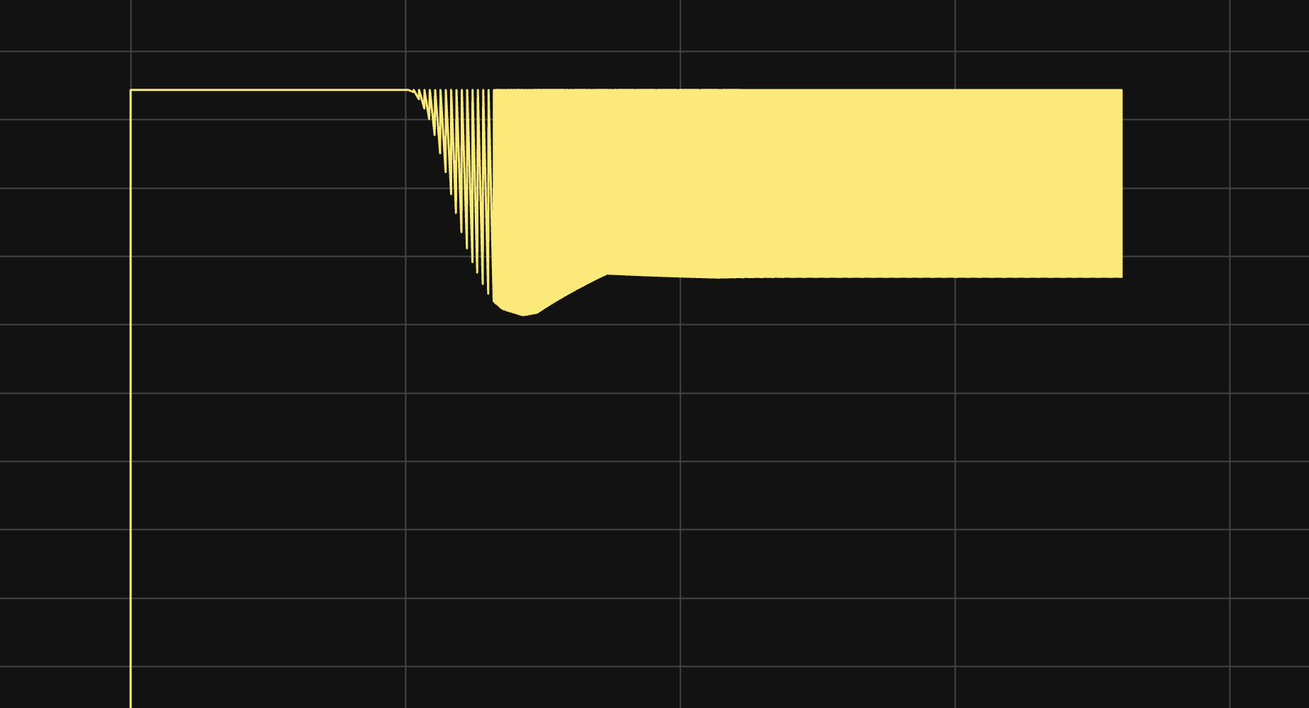

 | picture of inverter

doesn't show max in this was about 550V.
nominal was 490V under load
which is showed by the drop in going up to constnat
idk why brick but trust

set intial condition to 1

heat gen
voltage |  | current
 | 100 | 200 | 300 | 400 | 500 | 600
200 | 261 | 552 | 894 | 1300 | 1740 | 2250
400 | 384 | 783 | 1233 | 1750 | 2300 | 2900
600 | 513 | 1020 | 1584 | 2200 | 2900 | 3650
800 | 642 | 1260 | 1956 | 2740 | 3550 | 4500
Heat gen of DTI 550

 | Current
 | 100 | 150 | 200 | 250 | 300 | 350 | 400 | 450 | 500 | 550 | 600
100 | 199.5 | 318 | 436.5 | 580.5 | 724.5 | 899.8 | 1075 | 1267.5 | 1460 | 1692.5 | 1925
150 | 230.3 | 362.3 | 494.3 | 651.8 | 809.3 | 998.4 | 1187.5 | 1393.8 | 1600 | 1843.8 | 2087.5
200 | 261 | 406.5 | 552 | 723 | 894 | 1097 | 1300 | 1520 | 1740 | 1995 | 2250
250 | 291.8 | 450.8 | 609.8 | 794.3 | 978.8 | 1195.6 | 1412.5 | 1646.3 | 1880 | 2146.3 | 2412.5
300 | 322.5 | 495 | 667.5 | 865.5 | 1063.5 | 1294.3 | 1525 | 1772.5 | 2020 | 2297.5 | 2575
350 | 353.3 | 539.3 | 725.3 | 936.8 | 1148.3 | 1392.9 | 1637.5 | 1898.8 | 2160 | 2448.8 | 2737.5
400 | 384 | 583.5 | 783 | 1008 | 1233 | 1491.5 | 1750 | 2025 | 2300 | 2600 | 2900
450 | 416.3 | 629.3 | 842.3 | 1081.5 | 1320.8 | 1591.6 | 1862.5 | 2156.3 | 2450 | 2768.8 | 3087.5
500 | 448.5 | 675 | 901.5 | 1155 | 1408.5 | 1691.8 | 1975 | 2287.5 | 2600 | 2937.5 | 3275
550 | 480.8 | 720.8 | 960.8 | 1228.5 | 1496.3 | 1791.9 | 2087.5 | 2418.8 | 2750 | 3106.3 | 3462.5
600 | 513 | 766.5 | 1020 | 1302 | 1584 | 1892 | 2200 | 2550 | 2900 | 3275 | 3650
650 | 545.3 | 812.6 | 1080 | 1378.5 | 1677 | 2006 | 2335 | 2698.8 | 3062.5 | 3462.5 | 3862.5
700 | 577.5 | 858.8 | 1140 | 1455 | 1770 | 2120 | 2470 | 2847.5 | 3225 | 3650 | 4075
750 | 609.8 | 904.9 | 1200 | 1531.5 | 1863 | 2234 | 2605 | 2996.3 | 3387.5 | 3837.5 | 4287.5
800 | 642 | 951 | 1260 | 1608 | 1956 | 2348 | 2740 | 3145 | 3550 | 4025 | 4500

